Compare Annual Visitation
Compare Annual Visitation: 1980 to 2023

This report will not correctly export to CSV. Please export to Excel, Word, or PDF if you wish to save this report.

 | 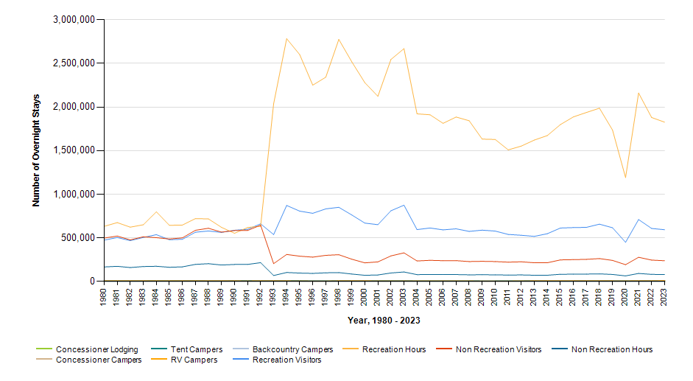

 |  | Year | Concessioner Lodging | Concessioner Campers | Tent Campers | RV Campers | Backcountry Campers | Recreation Visitors | Recreation Visitor Hours | Non Recreation Visitors | Non Recreation Visitor Hours
 |  | 2023 | 0 | 0 | 5,396 | 6,500 | 544 | 592,459 | 1,826,057 | 236,892 | 78,174
 |  | 2022 | 0 | 0 | 4,865 | 5,528 | 435 | 607,418 | 1,880,036 | 244,214 | 80,590
 |  | 2021 | 0 | 0 | 5,297 | 5,940 | 473 | 709,001 | 2,160,776 | 276,475 | 91,237
 |  | 2020 | 0 | 0 | 2,576 | 2,737 | 403 | 448,405 | 1,190,980 | 191,304 | 63,131
 |  | 2019 | 0 | 0 | 3,632 | 3,715 | 369 | 615,350 | 1,735,378 | 240,685 | 79,425
 |  | 2018 | 0 | 0 | 4,333 | 4,164 | 437 | 656,397 | 1,986,661 | 261,581 | 86,322
 |  | 2017 | 0 | 0 | 6,197 | 4,670 | 452 | 619,924 | 1,937,618 | 252,727 | 83,400
 |  | 2016 | 0 | 0 | 4,093 | 4,401 | 493 | 617,377 | 1,886,762 | 249,618 | 82,374
 |  | 2015 | 0 | 0 | 2,420 | 3,804 | 179 | 612,198 | 1,798,805 | 246,364 | 81,298
 |  | 2014 | 0 | 0 | 3,814 | 4,714 | 220 | 547,022 | 1,672,929 | 213,488 | 70,451
 |  | 2013 | 0 | 0 | 5,866 | 4,612 | 219 | 516,142 | 1,621,332 | 213,488 | 70,451
 |  | 2012 | 0 | 0 | 3,601 | 2,758 | 226 | 529,083 | 1,552,259 | 224,663 | 74,139
 |  | 2011 | 0 | 0 | 1,645 | 1,160 | 249 | 538,394 | 1,508,724 | 220,340 | 72,713
 |  | 2010 | 0 | 0 | 1,623 | 1,344 | 296 | 577,141 | 1,628,000 | 227,411 | 75,044
 |  | 2009 | 0 | 0 | 1,035 | 905 | 163 | 587,868 | 1,632,237 | 230,578 | 76,089
 |  | 2008 | 0 | 0 | 4,069 | 2,248 | 100 | 573,433 | 1,842,370 | 227,521 | 75,083
 |  | 2007 | 0 | 0 | 3,023 | 2,748 | 168 | 603,158 | 1,885,178 | 237,830 | 78,484
 |  | 2006 | 0 | 0 | 2,809 | 2,289 | 181 | 591,049 | 1,812,924 | 237,277 | 78,301
 |  | 2005 | 0 | 0 | 3,352 | 2,518 | 176 | 612,478 | 1,911,327 | 241,866 | 79,816
 |  | 2004 | 0 | 0 | 3,600 | 3,450 | 230 | 593,877 | 1,922,119 | 234,491 | 77,382
 |  | 2003 | 0 | 0 | 4,974 | 3,652 | 185 | 874,167 | 2,670,264 | 327,360 | 108,028
 |  | 2002 | 0 | 0 | 5,367 | 3,190 | 347 | 810,298 | 2,545,981 | 292,298 | 96,458
 |  | 2001 | 0 | 0 | 4,897 | 3,155 | 401 | 650,357 | 2,123,024 | 223,669 | 73,811
 |  | 2000 | 0 | 0 | 5,594 | 4,221 | 245 | 668,507 | 2,278,915 | 212,665 | 70,180
 |  | 1999 | 0 | 0 | 5,757 | 4,594 | 289 | 761,717 | 2,518,009 | 254,348 | 83,935
 |  | 1998 | 0 | 0 | 6,748 | 4,666 | 277 | 849,974 | 2,775,518 | 305,974 | 100,971
 |  | 1997 | 0 | 0 | 1,982 | 1,316 | 200 | 832,033 | 2,342,366 | 298,662 | 98,558
 |  | 1996 | 0 | 0 | 2,155 | 1,254 | 589 | 781,171 | 2,251,235 | 277,899 | 91,706
 |  | 1995 | 0 | 0 | 6,621 | 3,054 | 406 | 805,688 | 2,601,981 | 289,245 | 95,450
 |  | 1994 | 0 | 0 | 5,858 | 4,290 | 297 | 871,061 | 2,784,216 | 308,963 | 101,959
 |  | 1993 | 0 | 0 | 7,498 | 4,727 | 306 | 537,075 | 2,037,755 | 203,732 | 67,233
 |  | 1992 | 0 | 0 | 7,612 | 4,911 | 227 | 660,296 | 632,466 | 644,701 | 214,684
 |  | 1991 | 0 | 0 | 8,148 | 3,507 | 165 | 597,057 | 618,335 | 584,176 | 194,531
 |  | 1990 | 0 | 0 | 6,551 | 4,149 | 56 | 586,464 | 551,768 | 583,192 | 194,110
 |  | 1989 | 0 | 0 | 5,628 | 3,947 | 179 | 561,758 | 620,182 | 565,267 | 187,863
 |  | 1988 | 0 | 0 | 5,597 | 3,738 | 68 | 578,016 | 716,477 | 609,615 | 203,000
 |  | 1987 | 0 | 0 | 7,456 | 4,374 | 57 | 563,720 | 720,569 | 586,150 | 195,186
 |  | 1986 | 0 | 0 | 6,707 | 5,127 | 40 | 483,334 | 646,425 | 499,741 | 166,414
 |  | 1985 | 0 | 0 | 6,865 | 4,863 | 0 | 477,585 | 643,015 | 486,226 | 161,913
 |  | 1984 | 0 | 0 | 7,208 | 5,349 | 0 | 536,022 | 798,107 | 501,713 | 173,458
 |  | 1983 | 0 | 0 | 5,355 | 5,292 | 0 | 503,739 | 649,636 | 511,405 | 170,296
 |  | 1982 | 0 | 0 | 4,399 | 4,805 | 0 | 467,392 | 621,923 | 476,483 | 158,670
 |  | 1981 | 0 | 0 | 5,692 | 4,908 | 0 | 503,424 | 674,346 | 520,066 | 173,187
 |  | 1980 | 0 | 0 | 6,069 | 4,624 | 0 | 473,061 | 631,469 | 496,703 | 165,400

